Cover Page
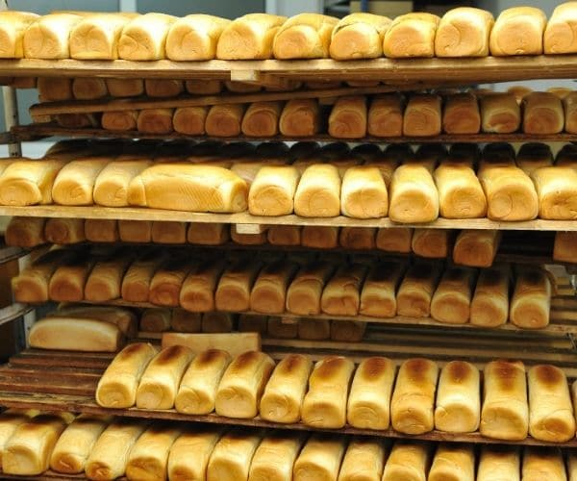
Sweet Bread Bakery Ltd
Home of tasty & delicious bread....

Five year Financial model
2025.

Summary Page
Scenario: |  |  |  |  |  | Last updated: | 2025-03-19


Company Name: | Sweet Bread Bakery Ltd
Sector: | FMCG

Equity Invesment | 70,415,318
Enterprise value | 283,610,417
Equity valuation | 111,157,384

 | 2025 | 2026 | 2027 | 2028 | 2029
Income Statement
Revenue | 148,124,160 | 159,010,560 | 207,083,520 | 250,560,000 | 297,043,200
Cost of Sales | 53,282,765 | 56,330,957 | 69,791,386 | 81,964,800 | 94,980,096
Gross Profit | 94,841,395 | 102,679,603 | 137,292,134 | 168,595,200 | 202,063,104
Operating Expense | 62,290,483 | 61,096,211 | 62,201,670 | 64,799,200 | 65,728,864
Operating Income | 32,550,912 | 41,583,392 | 75,090,464 | 103,796,000 | 136,334,240
Profit before tax | 18,194,435 | 27,521,422 | 61,307,946 | 88,478,650 | 94,929,244
Net Profit | 12,281,244 | 18,576,960 | 41,382,864 | 59,723,089 | 64,077,239

Balance Sheet
Non current Asset | 58,905,000 | 50,310,000 | 41,715,000 | 40,320,000 | 49,800,000
Current Asset | 60,734,461 | 88,544,039 | 146,063,551 | 207,985,535 | 253,001,878
Total Asset | 119,639,461 | 138,854,039 | 187,778,551 | 248,305,535 | 302,801,878
Total Net Asset | 80,240,313 | 95,101,881 | 128,208,172 | 175,986,643 | 227,248,434

Total Equity | 80,240,313 | 95,101,881 | 128,208,172 | 175,986,643 | 227,248,434
Non current Liabilities | 28,635,400 | 27,171,659 | 25,782,739 | 24,464,815 | -
Current Liabilities | 10,763,747 | 16,580,500 | 33,787,640 | 47,854,077 | 75,553,444
Total Equity & Liabilities | 119,639,461 | 138,854,039 | 187,778,551 | 248,305,535 | 302,801,878

Cashflow Statement
Cashflow from Operating activities | 17,613,199 | 34,789,309 | 62,256,098 | 80,352,946 | 103,817,413
Cashflow from Investing activities | -67,500,000 | - | - | -9,000,000 | -23,000,000
Cashflow from Financing activities | 94,831,835 | -7,923,219 | -8,902,910 | -13,198,923 | -39,829,614
Net Cashflow | 44,945,034 | 71,811,124 | 125,164,312 | 183,318,335 | 224,306,134
Free Cashflow to Firm | (57,672,473) | 29,981,273 | 49,589,535 | 60,922,703 | 69,658,346

Financial Ratios
Gross Profit margin | 64% | 65% | 66% | 67% | 68%
Operating Profit margin | 22% | 26% | 36% | 41% | 46%
Net Profit margin | 8% | 12% | 20% | 24% | 22%
Return on Equity | 15% | 20% | 32% | 34% | 28%
Return on Asset | 10% | 13% | 22% | 24% | 21%
Debt to Equity ratio | 38% | 32% | 24% | 17% | 13%
Equity ratio | 67% | 68% | 68% | 71% | 75%
Debt ratio | 25% | 22% | 16% | 12% | 10%
Current ratio | 5.64 | 5.34 | 4.32 | 4.35 | 3.35
Quick ratio | 4.40 | 4.49 | 3.81 | 3.92 | 3.03
Cash ratio | 4.18 | 4.33 | 3.70 | 3.83 | 2.97
Interest Coverage | 4.16 | 6.03 | 12.82 | 18.97 | 4.40

Dashboard
Scenario: | Last updated: | 2025-03-19

Sweet Bread Bakery Ltd
Home of tasty & delicious bread....
5 year Financial model

₦212,364,288
Operating Performance
 | Sum of Revenue | Sum of COS | Sum of Gross Profit | Sum of Net Profit
2025 | 148,124,160 | 53,282,765 | 94,841,395 | 12,281,244
2026 | 159,010,560 | 56,330,957 | 102,679,603 | 18,576,960
2027 | 207,083,520 | 69,791,386 | 137,292,134 | 41,382,864
2028 | 250,560,000 | 81,964,800 | 168,595,200 | 59,723,089
2029 | 297,043,200 | 94,980,096 | 202,063,104 | 64,077,239
Financial Ratios
 | Sum of GP Margin | Sum of NP Margin | Sum of ROCE
2025 | 64% | 8% | 15%
2026 | 65% | 12% | 20%
2027 | 66% | 20% | 32%
2028 | 67% | 24% | 34%
2029 | 68% | 22% | 28%
Average Revenue

₦141,094,287
Average Gross Profit

Opex Items
 | Dep & Amort. | Employee cost | Other Expenses
2025 | 8,595,000 | 46,800,000 | 15,490,483
2026 | 8,595,000 | 46,800,000 | 14,296,211
2027 | 8,595,000 | 46,800,000 | 15,401,670
2028 | 10,395,000 | 46,800,000 | 17,999,200
2029 | 13,520,000 | 46,800,000 | 18,928,864
Opex
 | Total
Dep & Amort. | 49,700,000
Employee cost | 234,000,000
Other Expenses | 82,116,429

₦39,208,279
Average Net Profit

